data
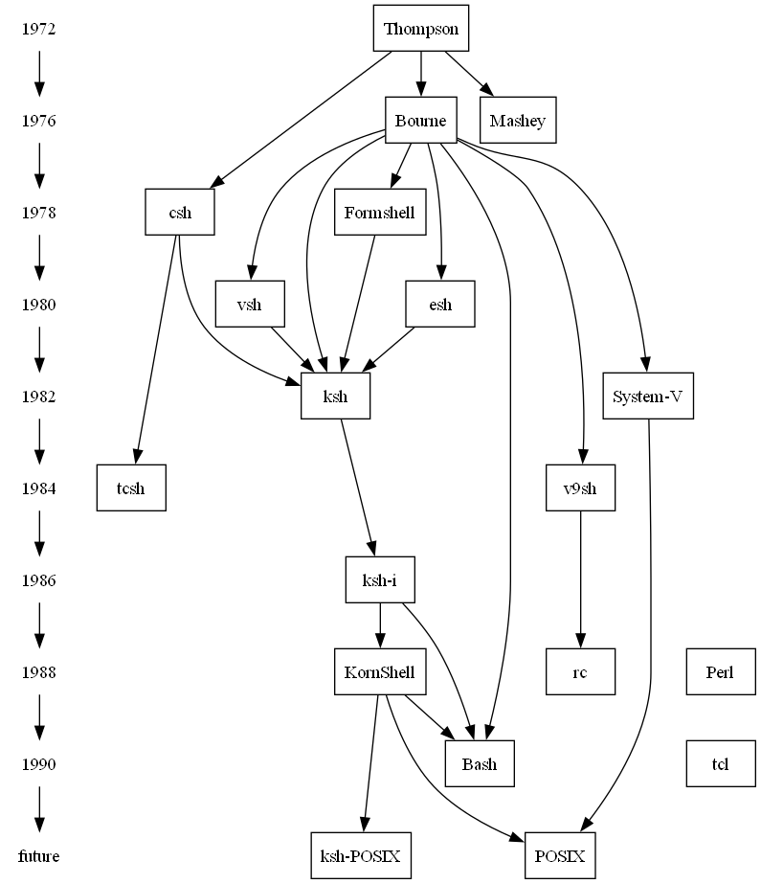
Item | Label | Related Item | Style Name | Attributes | Properties
node |  |  | Year
edge |  |  | Flow
1972 |  | 1976
1976 |  | 1978
1978 |  | 1980
1980 |  | 1982
1982 |  | 1984
1984 |  | 1986
1986 |  | 1988
1988 |  | 1990
1990 |  | future
node |  |  | Shell
> | { rank="same"; "1972"; "Thompson"; }
> | { rank="same"; "1976"; "Bourne"; "Mashey"; }
> | { rank="same"; "1978"; "csh"; "Formshell"; }
> | { rank="same"; "1980"; "esh"; "vsh"; }
> | { rank="same"; "1982"; "ksh"; "System-V"; }
> | { rank="same"; "1984"; "tcsh"; "v9sh"; }
> | { rank="same"; "1986"; "ksh-i"; }
> | { rank="same"; "1988"; "KornShell"; "Perl"; "rc"; }
> | { rank="same"; "1990"; "Bash"; "tcl"; }
> | { rank="same"; "future"; "ksh-POSIX"; "POSIX"; }

Thompson |  | Bourne
Thompson |  | Mashey
Thompson |  | csh
Bourne |  | v9sh
Bourne |  | ksh
Bourne |  | esh
Bourne |  | vsh
Bourne |  | Formshell
Bourne |  | Bash
Bourne |  | System-V
Formshell |  | ksh
csh |  | ksh
ksh |  | ksh-i
csh |  | tcsh
System-V |  | POSIX
v9sh |  | rc
KornShell |  | ksh-POSIX
KornShell |  | POSIX
KornShell |  | Bash
esh |  | ksh
vsh |  | ksh
ksh-i |  | KornShell
ksh-i |  | Bash

styles
Style Name | Description | Format | Properties | Style Type | All Styles | No Clusters | No Edges
node |  |  |  | node | yes | yes | yes
edge |  |  |  | edge | yes | yes | no
subgraph-open |  |  |  | subgraph-open | yes | no | yes | 
subgraph-close |  |  |  | subgraph-close | yes | no | yes
keyword |  |  |  | keyword | yes | yes | yes
native |  |  |  | native | yes | yes | yes
Year |  | shape=plaintext |  | node | yes | yes | yes
Shell |  | shape=box |  | node | yes | yes | yes
Flow |  | radius=9 |  | edge | yes | yes | no

sql
 | SQL SELECT Statement | Excel data file (.xlsx, .xlsm, .xlsb, or .xls only) | Status

# | Clear the 'data' worksheet |  | SKIPPED
 | RESET |  | SUCCESS

# | Specify the workbook containing the data |  | SKIPPED
 | SET DATA FILE | shells.xlsx | SUCCESS
✎
# | Establish the default styles for nodes and edges |  | SKIPPED
 | SELECT 'node' as [Item], 'Year' as [Style Name] |  | SUCCESS
 | SELECT 'edge' as [Item], 'Flow' as [Style Name] |  | SUCCESS

# | Create the edges from year to year |  | SKIPPED
 | SELECT DISTINCT [Year] AS [ITEM], TRUE AS [CREATE EDGES] FROM [Shells$] WHERE [Year] IS NOT NULL ORDER BY [Year] ASC |  | SUCCESS

# | Put all the shells on the same rank by year |  | SKIPPED
 | SELECT 'node' as [Item], 'Shell' as [Style Name] |  | SUCCESS
 | SELECT 'SELECT DISTINCT [Year] AS [ID] FROM [shells$]' AS [SQL FOR ID], 'SELECT [Year] AS [ITEM], TRUE AS [CREATE RANK], ''same'' AS [RANK] FROM [shells$] WHERE [YEAR] = ''{ID}'' UNION SELECT [Shell] AS [ITEM], TRUE AS [CREATE RANK], ''same'' AS [RANK] FROM [shells$] WHERE [YEAR] = ''{ID}'' ' AS [SQL FOR DATA], TRUE AS [ITERATE] |  | SUCCESS

# | Shell to Shell edges |  | SKIPPED
 | SELECT [From Shell] AS [ITEM], [To Shell] AS [RELATED ITEM] FROM [evolution$] |  | SUCCESS

# |  |  | SKIPPED
# | ##################################################################################################### |  | SKIPPED
# | Quick Help |  | SKIPPED
# | ##################################################################################################### |  | SKIPPED
# |  |  | SKIPPED
# | Excel SQL Syntax |  | SKIPPED
# | https://github.com/jjlong150/AceSqlForExcel |  | SKIPPED
# |  |  | SKIPPED
# | Clear the 'data' worksheet |  | SKIPPED
# | RESET |  | SKIPPED
# |  |  | SKIPPED
# | Turn on/off logging of errors to file 'Relationship Visualizer ADO Log.txt' |  | SKIPPED
# | ENABLE LOGGING |  | SKIPPED
# | DISABLE LOGGING |  | SKIPPED
# |  |  | SKIPPED
# | Write environment diagonostic information to file 'Relationship Visualizer ADO Log.txt' |  | SKIPPED
# | LOG ENVIRONMENT |  | SKIPPED
# |  |  | SKIPPED
# | Specify the workbook containing the data |  | SKIPPED
# | SET DATA FILE | Put workbook name here | SKIPPED
# |  |  | SKIPPED
# | Create the edges |  | SKIPPED
# | SELECT [From Column] AS [Item], [To Column] AS [Related Item] FROM [Worksheet Name$] |  | SKIPPED
# | Create the nodes |  | SKIPPED
# | SELECT [Node Id Column] AS [Item], [Node Label Column] AS [Label], [Node Style Column] AS [Style Name] FROM [Worksheet Name$] WHERE ... |  | SKIPPED
# | Create edges which chain a set of nodes |  | SKIPPED
# | SELECT [Node Id Column] AS [ITEM], TRUE AS [CREATE EDGES] FROM [Worksheet Name$] WHERE ... |  | SKIPPED
# | Create a subgraph, with constraints set to rank specified as either 'same' | 'min' | 'source' | 'max' | 'sink'. |  | SKIPPED
# | Rank constraints on the nodes in a subgraph. If rank="same", all nodes are placed on the same rank. If rank="min", all nodes are placed on the minimum rank. If rank="source", all nodes are placed on the minimum rank, and the only nodes on the minimum rank belong to some subgraph whose rank attribute is "source" or "min". Analogous criteria hold for rank="max" and rank="sink". (Note: the minimum rank is topmost or leftmost, and the maximum rank is bottommost or rightmost.) |  | SKIPPED
# | SELECT [Node Id Column] AS [ITEM], TRUE AS [CREATE RANK], 'same' AS [RANK] FROM [Worksheet Name$] WHERE ... |  | SKIPPED
# | Split text for labels at first blank after 10 characters |  | SKIPPED
# | SELECT [Label Column] AS [Label], 10 AS [SPLIT LENGTH], ... |  | SKIPPED
# | Specify the line ending (\l, \n, \r, | etc.) to use when splitting a label |  | SKIPPED
# | SELECT [Label Column] AS [Label], 10 AS [SPLIT LENGTH], '\r' AS [LINE ENDING], ... |  | SKIPPED
# | Group nodes into a cluster |  | SKIPPED
# | SELECT [Cluster Id Column] AS [CLUSTER], [Cluster Label Column] AS [CLUSTER LABEL], [Cluster Style Name Column] AS [CLUSTER STYLE NAME], [Cluster Attributes] AS [CLUSTER ATTRIBUTES], [Cluster Tooltip Column] AS [CLUSTER TOOLTIP], [Node Id Column] AS [Item], [Node Label Column] AS [Label], [Node Style Name Column] AS [Style Name], ... |  | SKIPPED
# | Group nodes into two level clusters |  | SKIPPED
# | SELECT [Outer Cluster Id Column] AS [CLUSTER], [Outer Cluster Label Column] AS [CLUSTER LABEL], [Outer Cluster Style Name Column] AS [CLUSTER STYLE NAME], [Outer Cluster Attributes] AS [CLUSTER ATTRIBUTES], [Outer Cluster Tooltip Column] AS [CLUSTER TOOLTIP], [Inner Cluster Id Column] AS [SUBCLUSTER], [Inner Cluster Label Column] AS [SUBCLUSTER LABEL], [Inner Cluster Style Name Column] AS [SUBCLUSTER STYLE NAME], [Inner Cluster Attributes] AS [SUBCLUSTER ATTRIBUTES], [Inner Cluster Tooltip Column] AS [SUBCLUSTER TOOLTIP], [Node Id Column] AS [Item], [Node Label Column] AS [Label], [Node Style Name Column] AS [Style Name], ... |  | SKIPPED
# | Loop count substitution strings (useful in sortv= attributes, style names, and labels). %clc% = Cluster count %scc% = Subcluster count %rsc% = Record set count |  | SKIPPED
# | SELECT 'sortv=%clc%' AS [CLUSTER ATTRIBUTES], 'Border %clc% ' AS [CLUSTER STYLE NAME], 'sortv=%scc%' AS [SUBCLUSTER ATTRIBUTES], 'sortv=%rsc%' AS [Attributes], ... FROM [Worksheet Name$] WHERE ... ORDER BY [Outer Cluster Label Column] ASC, [Inner Cluster Label Column] ASC, [Node Label Column] ASC |  | SKIPPED
# | Show the graph immediately after all SQL statements processed |  | SKIPPED
# | PREVIEW [ AS ( DIRECTED | UNDIRECTED ) GRAPH ] |  | SKIPPED
# |  |  | SKIPPED
# | Publish graphs as files |  | SKIPPED
# | PUBLISH [ ALL VIEWS ] [ AS ( DIRECTED | UNDIRECTED ) GRAPH ] [ file prefix ] |  | SKIPPED
#

